2018 #4
 | Source: | Spring 2018 | Exam 7 | Q #4 |  | Solution ->
 | Points: | 2.00

 |  | Given the following information:
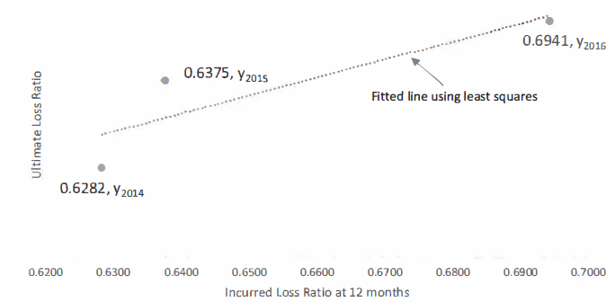

$$\overline{xy}=$$
 |  | • The equation for the line in the graph above is y = 0.1126 + bx.
 |  | • | 0.5979
 |  | • Cumulative incurred loss for accident year 2017 at 12 months is: |  |  | $6,000,000
 |  | • Earned premium for accident year 2017 is: |  |  | $8,000,000
 |  | • Assume there is no further development after 24 months.

 |  | Calculate the ultimate loss for accident year 2017 using the least squares method.

SHOW ALL WORK.

